Dushboard
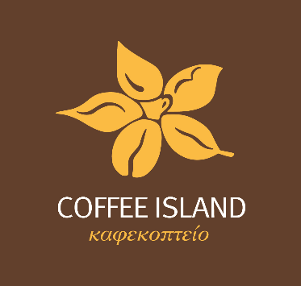
COFFEE ISLAND SALES DASHBOARD

Total Sales
 | Arabica | Excipitula | Libica | Robica
Feb | $745 | $429 | $194 | $430
Mar | $130 | $271 | $281 | $232
Apr | $27 | $347 | $148 | $240
May | $255 | $542 | $83 | $59
Jun | $585 | $357 | $355 | $141
Jul | $431 | $227 | $236 | $415
Aug | $23 | $78 | $61 | $140
Sep | $126 | $195 | $89 | $303
Top 5 Customers
 | Total
Demetris Micheli | $167.67
Murielle Lorinez | $167.67
Terri Farra | $168.39
Claudetta Rushe | $189.75
Don Flintiff | $219.81

Sales by Country
 | Total
United Kingdom | $885.74
Ireland | $1,022.32
United States | $6,267.07

